Itinerary Map
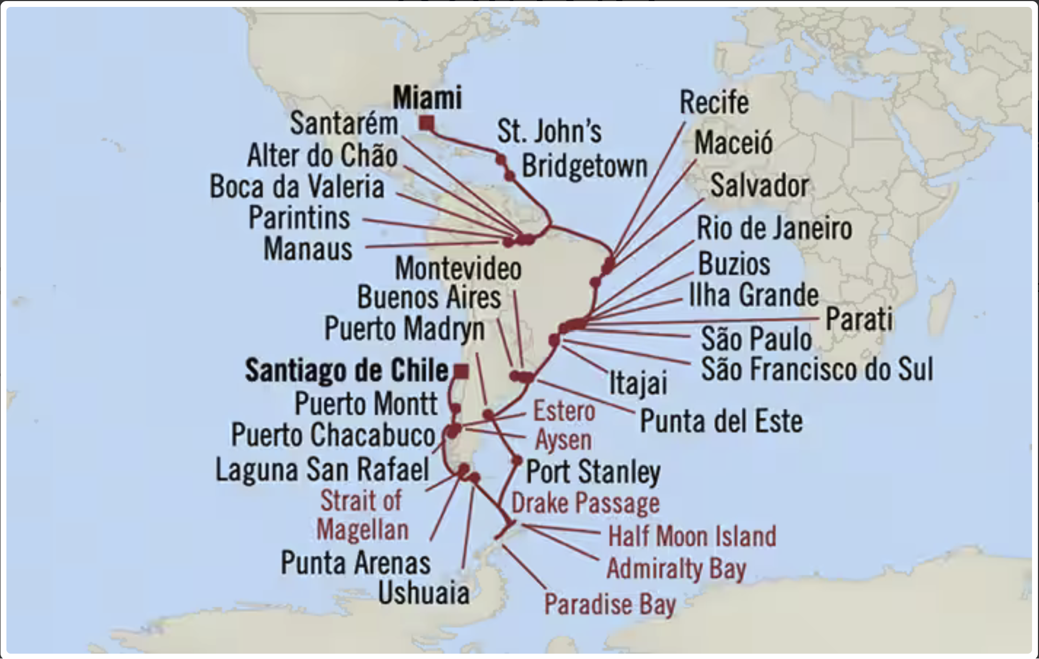

https://www.oceaniacruises.com/grand-voyage-cruises/santiago-de-chile-to-miami-MNA240214B/

